README
Background:
A few years ago I subscribed to the Wall Street Journal and was interested by one of the puzzles I found in the weekend paper.
Soku is played by placing the numbers 1 through 9 in each of the boxes. Each number can only be used once. The number in each circle is equal to the sum of the surrounding four squares. Each color must total the number shown at the bottom with the same color.
Immediately it became clear to me that there is a better way to solve this problem than simply guessing and checking. It's a classic Linear Programming optimization program.
I built the following optimization program using the solver in Excel to solve these. Most computers have Excel and many users are familiar with it (unlike a Python or R script).
Follow this project and other work of mine at :

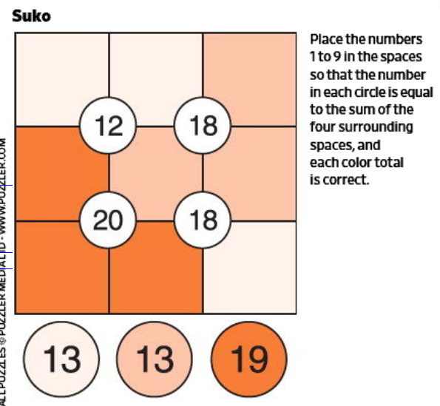

How Does it Work?
This is an example of a linear problem. That means that it can be solved algebraically to find the optimal solution.
A common technique for doing this is using Linear Programming.
Want to learn more about Linear Programming? Check out the link below. They explain it better than I can.
Specifically here we use a Simplex solver. Excel has a tool (conveniently called Solver) built in that can be used to solve this problem.

Source: Wall Street Journal

Resources:
A few years ago I subscribed to the Wall Street Journal and was interested by one of the puzzles I found in the weekend paper.
Soku is played by placing the numbers 1 through 9 in each of the boxes. Each number can only be used once. The number in each circle is equal to the sum of the surrounding four squares. Each color must total the number shown at the bottom with the same color.
Immediately it became clear to me that there is a better way to solve this problem than simply guessing and checking. It's a classic Linear Programming optimization program.
I built the following optimization program using the solver in Excel to solve these. Most computers have Excel and many users are familiar with it (unlike a Python or R script).
Follow this project and other work of mine at :

Data Input
Instructions:
Below you'll find a key on the left side. Fill in the boxes below based on the provided key.
The cells are already prepopulated with the example problem shown on the right.

KEY
EXAMPLE

A
B
C
J
K
1. Fill in the 3 numbers at the bottom:
N = | 13
O = | 13
P = | 19
D
E
F

L
M
G
H
I
2. Fill in the 4 numbers in the center circles:
J = | 12
K = | 18
L = | 20
M = | 18
N
O
P
3. What letters are assigned with each color?
N = | A | B | I
O = | C | E | F
P = | D | G | H | Source: Wall Street Journal

SOLUTION

 | 2 | 5 | 9
 | 4 | 1 | 3
 | 7 | 8 | 6

